Cover Page


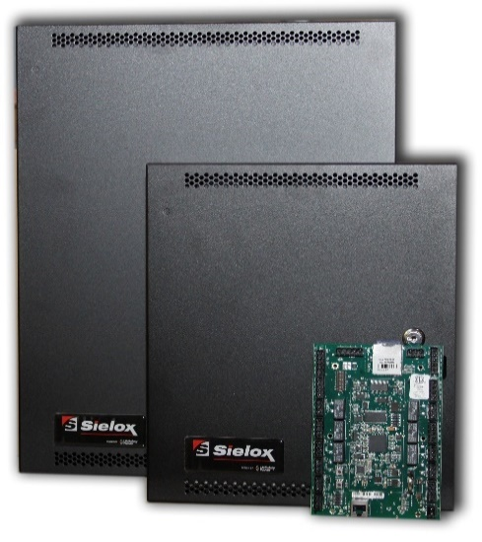
 | Price Book - HIGH
 | Revision 01-08-2021

 |  | 0

Integrated Biometric Readers

